Cover
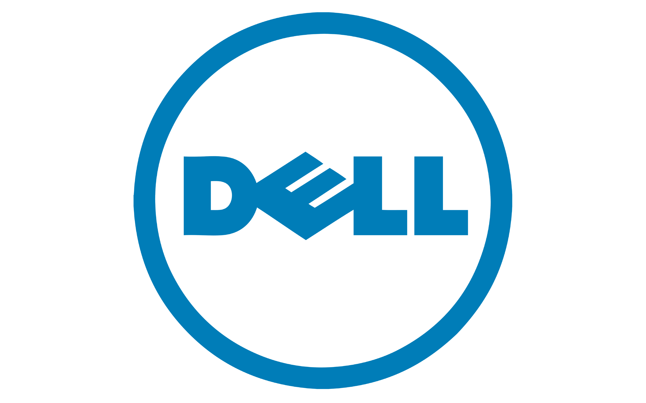

Dell
LBO Model

Debt Repayment
Term A Debt Repayment
Debt Structure |  | 2025 | 2026 | 2027 | 2028 | 2029
Term A | Principal | $575 | $460 | $368 | $295 | $1,545
 | Interest | $179 | $143 | $115 | $92 | $73
 | Total | $755 | $604 | $483 | $386 | $1,619
Term B | Principal | $3,365 | $- | $- | $- | $-
 | Interest | $177 | $- | $- | $- | $-
 | Total | $3,542 | $- | $- | $- | $-
Seinor Loan | Principal | $- | $- | $- | $- | $3,157
 | Interest | $158 | $158 | $158 | $158 | $158
 | Total | $- | $- | $- | $- | $3,315

Term B Debt Repayment
Senior Loan Debt Repayment

